Sheet3
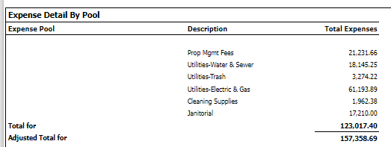
These are the items requested be addressed at the inception of this project:
1. Request: If the expense is excluded from the CAM pool, we would like it excluded from the detail list of CAM pool expenses.
a. Property 1485 Colorado, Lease Girl Scouts, Expense Trash
b. Tested 3/27, 5/20 and 6/14
c. Result – still not working – Sheet 1 – Confirmed this is still showing up
2. Request: If there is a CAP and it covers two CAM pools, Yardi is not listing the ceiling in the top summary
a. Property 1485 Colorado, Lease Quiat, Sheet 10
b. Tested 3/27, 5/20 and 6/14
c. Result – still not working - Confirmed this is still showing up
3. Request: The expense is excluded, but it is still listed in the pool detail even though it is not in the pool total
a. Property Westpoint, Lease itrans
b. Tested 3/22 fixed, 3/27 broken, 5/20 broken, 6/14 – this works for year-end CAM rec HVAC, but for mid-year CAM rec. this report is showing all accounts that were excluded (even a larger issue not in Live)
c. Result – still not working since the mid-year CAM rec. is worse than Live. – This is a past lease as of today. If I pull as of 12/24, it is showing everything. I think the report is not looking at past leases.
4. Request: CAPs not showing when there are 2 different CAM recovery groups for same tenant
a. Property Indiana, Lease Eye Academy and FCC MSO examples
b. Tested 3/22 – recovery groups are listing, but not CAP, 3/27 not working, 6/14 not working
c. Result – still not working - Confirmed this is still showing up
5. Request: Gross up expense pool name is missing in the detail section – descriptions are not populating to agree to Adjusted Total for vs Total for
a. Property Eastridge, tenant Brandy Harris example
b. Tested 3/27, 6/14
c. Result – still not working – I told them previously that these were because the pools weren’t named. I went ahead and named them all for them. They were supposed to do these.

